Layout
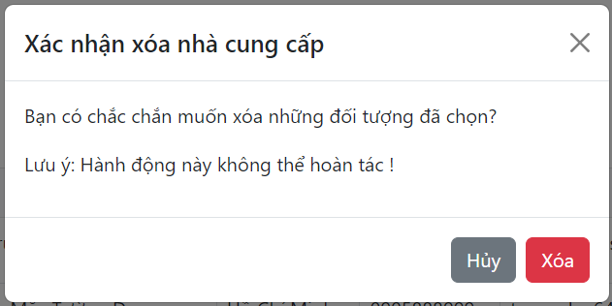
6.7 Quản lý nhà cung cấp

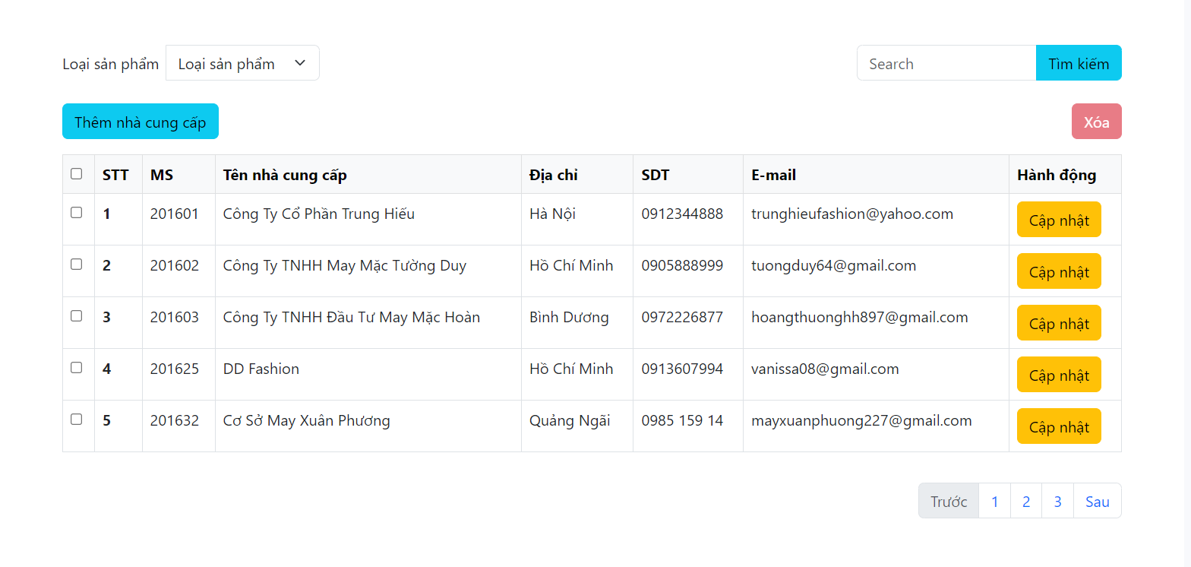

Other. Xóa nhà cung cấp

